MECS
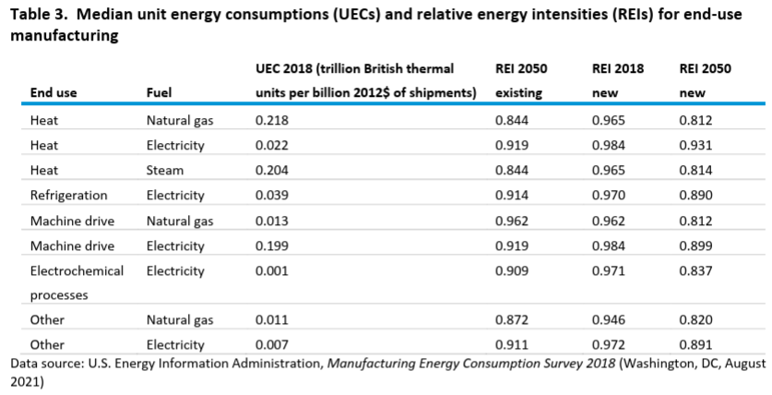

 |  | UEC 2018 (trillion British thermal | REI 2050 | 2018 | 2050 |  |  | improvement
End use | Fuel | units per billion 2012$ of shipments) | existing | new REI | new REI | 2021 | 2050 | over model run | annual improvement
Heat | Natural gas | 0.218 | 0.844 | 0.965 | 0.812 | 0.951 | 0.812 | 14.59% | 0.54%
Heat | Electricity | 0.022 | 0.919 | 0.984 | 0.931 | 0.979 | 0.931 | 4.91% | 0.17%
Heat | Steam | 0.204 | 0.844 | 0.965 | 0.814 | 0.951 | 0.814 | 14.39% | 0.53%
Refrigeration | Electricity | 0.039 | 0.914 | 0.97 | 0.89 | 0.962 | 0.89 | 7.53% | 0.27%
Machine drive | Natural gas | 0.013 | 0.962 | 0.962 | 0.812 | 0.948 | 0.812 | 14.34% | 0.53%
Machine drive | Electricity | 0.199 | 0.919 | 0.984 | 0.899 | 0.976 | 0.899 | 7.89% | 0.28%
Electrochemical | Electricity | 0.001 | 0.909 | 0.971 | 0.837 | 0.958 | 0.837 | 12.67% | 0.47%
processes Other | Natural gas | 0.011 | 0.872 | 0.946 | 0.82 | 0.934 | 0.82 | 12.22% | 0.45%
Other | Electricity | 0.007 | 0.911 | 0.972 | 0.891 | 0.964 | 0.891 | 7.61% | 0.27%

